New sheet setup
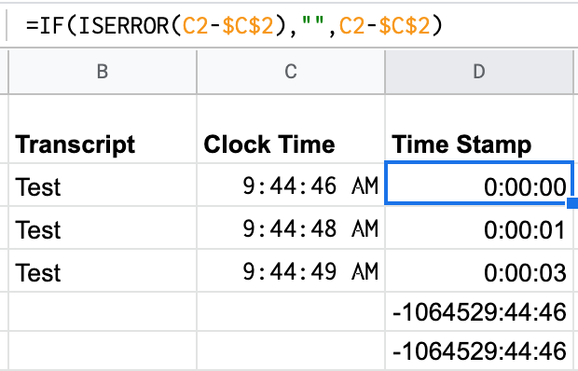
Credit and thanks to Cyd Harrel for sharing this technique

Open File > Spreadsheet settings | Note: After your session it's best to copy the time data and paste just the values in new columns so you can edit your notes without the time stamps changing

Go to the Calculation tab and change "Iterative calculation" to "On"

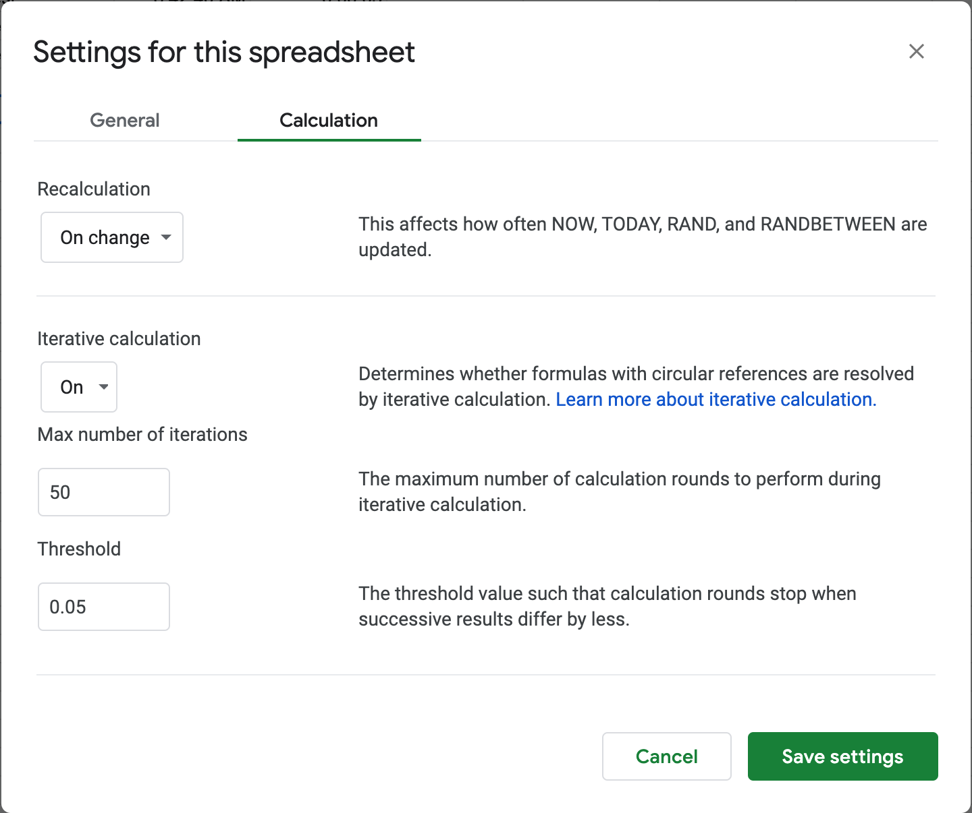

Set up your clock time calculation - Format as Number > Time
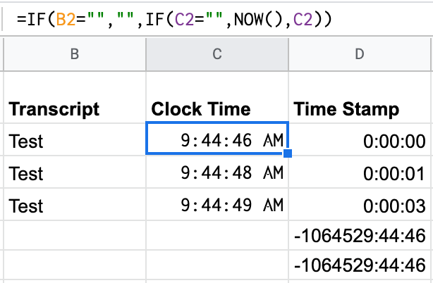

Set up your time stamp calculation - Format as Number > Duration

